Section 5
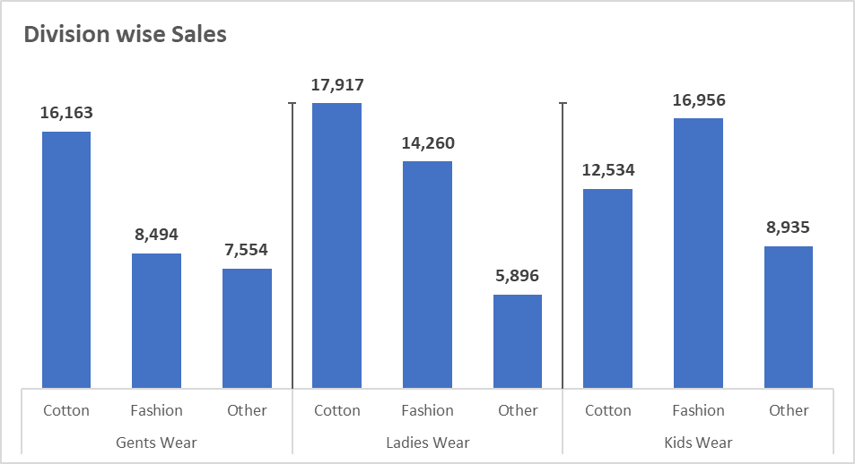
 | 1 | Insert 2 form control (Option Button) in same sheet and link it with cell |  |  | Division | Type | Sales Rs.
 | 2 | Create a drop-down in cell and set the formula for dynamic drop-down in cell G15 |  |  | Gents Wear | Cotton | 16,163
 |  | Set the formula, |  |  |  | Fashion | 8,494
 |  | -> If 1st Option button is selected Grapes, Banana, Mango, Apple should diplay in dropdown in cell G15 |  |  |  | Other | 7,554
 |  | -> If 2nd Option button is selected Tomoto, Onion, Lady Finger, Potato should display in dropdown in cell G15 |  |  | Ladies Wear | Cotton | 17,917
 | 3 | Refer data in Range G3 to I12. Prepare the similar graph shown in image beside the table |  |  |  | Fashion | 14,260
 | 4 | Create new workbook and in that create one macro, by which all cell which has formulas, can be pasted as values. |  |  |  | Other | 5,896
 |  |  |  |  | Kids Wear | Cotton | 12,534
1 |  |  | fruit | veg |  | Fashion | 16,956
 |  |  |  |  |  | Other | 8,935
Division Wise Sales
1 |  |  | grapes | tomato
 |  |  | banana | onion
 |  |  | mango | lady finger | 1
 |  |  | apple | potato

